Overview
Package | 97058 - FirstNet: ED Dashboard 2.3.0
Wiki Pages | 1- Overview of the ED Real Time Dashboard Using FirstNet
 | 2- Configuration | https://wiki.ucern.com/display/public/reference/Configure+ED+Real+Time+Dashboard#ConfigureEDRealTimeDashboard-ConfigureTrackingLocationPreferencesinPreferenceManager

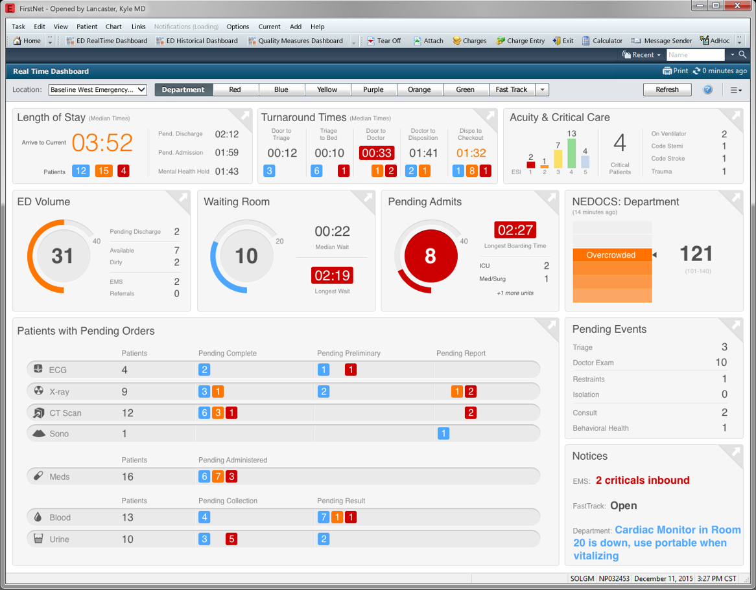

New Package | 100935 - Emergency Medicine: ED Dashboard 2.4.1

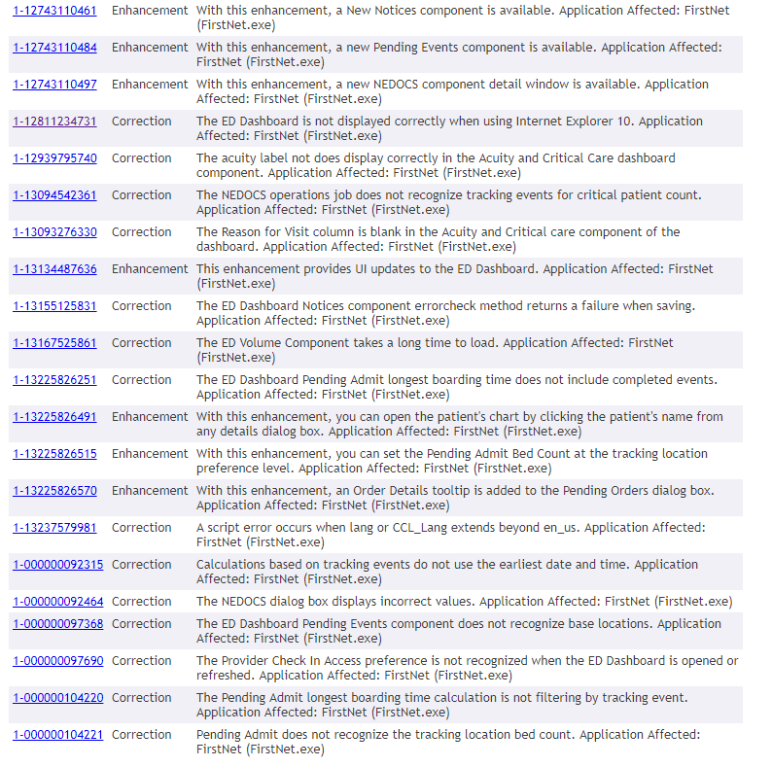
changes |  |  | REPORT_NAME | mp_dash_driver
 |  |  | REPORT_PARAM | MINE,$USR_PERSONID$,$USR_PositionCd$,"","","\\\\mcfs12.nch.kids\\g02\\CERNER\\linux_pbuild_env\\winintel\\static_content\\fn_ed_dashboard","MP_DASH_FIRSTNET"
 |  |  |  | MINE,$USR_PERSONID$,$USR_PositionCd$,"","","\\\\mcfs12.nch.kids\\g02\\CERNER\\linux_pbuild_env\\winintel\\static_content\\fn_ed_dashboard","MP_DASH_FIRSTNET"

 |  |  | New Prefs
 |  |  | REPORT_NAME | fn_mpage_driver
 |  |  | REPORT_PARAM | MINE, "fn_ed_dashboard"

NEDOCS OPS Job Config
Ops Job Configuration for NEDOCS Component
Configure the ops job to run at the desired interval that you want the NEDOCS score to calculate. It should not run any more frequently than 15 minutes. The frequency of the ops job will determine when the score is refreshed on the NEDOCS component within the Dashboard. The NEDOCS component will display (X minutes ago) to let users know when the score they are viewing was last calculated.
Schedule the NEDOCS Operations Job
Complete the following steps to schedule an Operations Job based on <Request Number>:
Example for NEDOCS ops job: request 4250500
1. Open OpsView Scheduler (OpsView Scheduler.exe)
2. Create a new Control Group or Add to an existing control group.
3. Create a new job template.
NOTE: You must create a new Job Template. Copying an existing template may result in the operations job not running.

4. Name the job template according to your system's naming convention. For example: FirstNet NEDOCS RTD.

5. Click Add.
6. In the Step box, enter a value of 1. This operations job has only one step.
7. In the request box, click the request search button.

8. Enter a value of 4250500 and click Start Search. Select the value from the list and click OK.

9. In the Batch Selection box in OpsView Scheduler, enter the operations job Batch Selection parameter value, MP_DASH_FIRSTNET
a. The Batch Selection field has a character limit of 31 characters
b. Here is an example of how it looks when you set up the operations job in Batch Selection in OpsView Scheduler (OpsViewScheduler.exe).
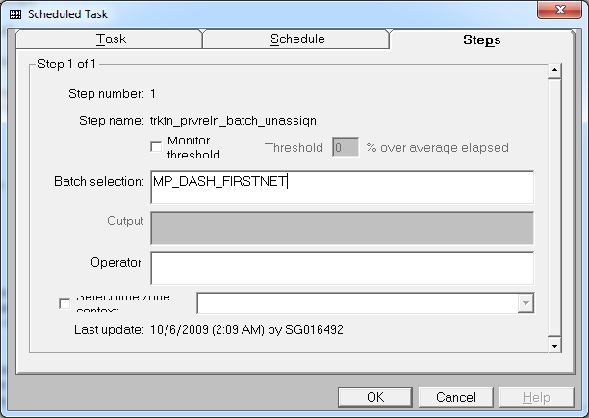

10. Click OK twice to save your new job template.
11. Highlight your new job template and drag it to the desired control group.

12. Fill out the schedule task in accordance with how often, and at what times you would like the job to run. For example, daily and occurs every 15 minutes (at the least) or could be every 30 minutes or 60 minutes depending how often you want the NEDOCS to update.
Note: The NEDOCS Ops Job should be set to run no more frequently than every 15 minutes. Every 30 minutes to 1 hour is recommended.

`13. Cycle the Opsexec server linked to the control group that this job resides in.
14. Cycle servers 51, 55, 80, 56, 90.

